Request
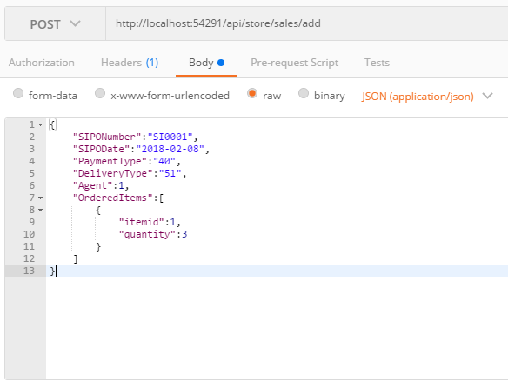
Parameter | Data Type | Length | Required | Unique | Remarks
SIPONumber | String |  | Yes | Yes
SIPODate | Date |  | Yes
CustomerName | String
ContactNumber | String
CustomerAddress1 | String
CustomerAddress2 | String
CustomerAddress3 | String
PaymentType | Int |  | Yes
DeliveryType | Int |  | Yes
Agent | Int |  | Yes |  | User.Id
Remarks | String
OrderedItems | Array
ItemId | Int |  | Yes
Quantity | Int |  | Yes

Example

Response
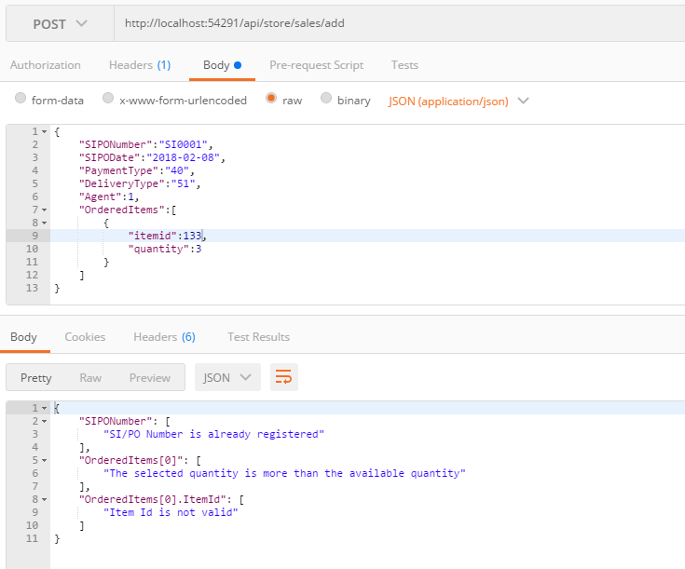
With Error

